कर्जमुक्त व्हा!
For Detailed Explanations & examples kindly refer book "Karjamkuta Vha"
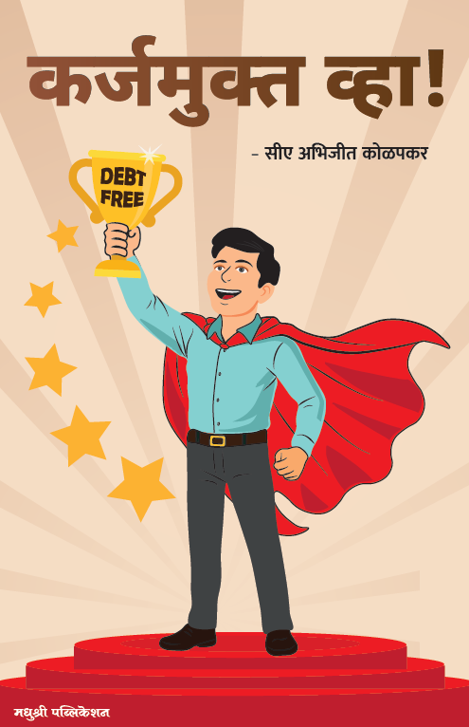

All calculation methodologies and their limitations are explained in the disclaimers published on staydebtsfree.com and on Page 9 of “Karjamukta Vha.”

